2. Version 3.0 Criteria
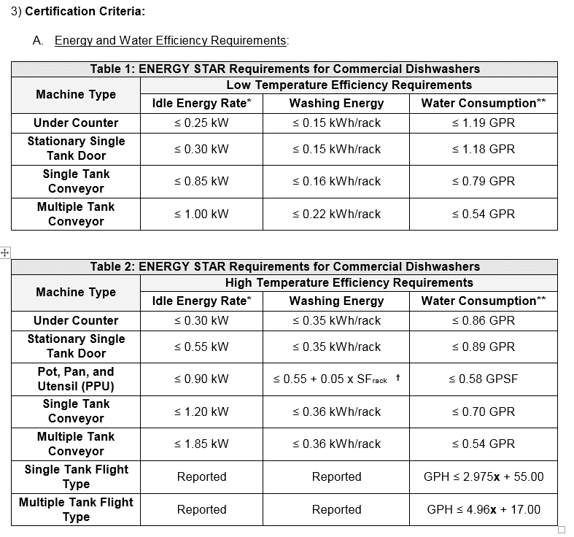
Table 1: V3.0 Efficiency Requirements

18. HT PPU Chart
V3 Wash Requirement, PPU
 | SqFt Only |  | Wash Datapoint |  | V3D1 Proposed |  | ENERGY STAR V3
4.40 | 0.77 | 4.40 | 0.65616666667 | 4 | 0.8 | 4 | 0.75
4.40 | 0.77 | 4.40 | 0.65616666667 | 12 | 0.8 | 12 | 1.15
4.40 | 0.77 | 4.40
9.36 | 1.02 | 9.36 | 0.78
9.36 | 1.02 | 9.36 | 0.78
5.12 | 0.81 | 5.12
10.23 | 1.06 | 10.23
6.49 | 0.87 | 6.49
4.40 | 0.77 | 4.40
4.41 | 0.77 | 4.41
4.39 | 0.77 | 4.39
6.40 | 0.87 | 6.40
9.73 | 1.04 | 9.73
9.87 | 1.04 | 9.87
9.95 | 1.05 | 9.95
5.27 | 0.81 | 5.27

