1. READ ME FIRST
1. READ ME FIRST
I- About the Home Performance with ENERGY STAR Annual Report
As a Home Performance with ENERGY STAR (HPwES) Sponsor, one of your partnership commitments is to provide an annual update on program activities. The U.S. Department of Energy (DOE) is interested in gathering information on CY2014 results as well as plans for CY2015. The 2014 Annual Report will also verify your program's compliance with Version 1.5 of the Sponsor Guide. Compliance questions will be denoted with (V1.5) mark at the beginning of the question. Data analysis, from this report, will help support program development and growth on the local, regional, and national levels. Please answer the questions based on the data you normally collect and information that is readily accessible. If your program does not have the data to respond to specific questions, answers may be left blank. Supporting definitions are provided for questions marked with d. A complete list of all the definitions is also below. You are encouraged to provide further clarifying comments if applicable in the comments fields in column "O" of the "Annual Report" tab. Please direct any questions or feedback to your HPwES Account Manager. Please complete this form by Friday, February 13, 2015, and submit it by email to homeperformance@energystar.gov
II- About the Annual Report Template
This Excel-based template is designed to enable data pre-population using Sponsors' responses from the 2013 Annual Data Call. Hopefully this will help save Sponsors time by only requiring a review and possible edit/update for those questions. Questions with prepopulated answers will be denoted with a (P). This template will also allow Sponsors to preview their own program "Key Metrics" before submitting the Annual Report. The Key Metrics will be used by the HPwES Team to report out on overall national program performance and to inform future peer-to-peer benchmarking efforts. This preview is intended to ensure Sponsors feel that the calculated Key Metrics accurately reflect their program information. These are listed in the Key Metrics tab. The template is structured around 3 tabs: (1) READ ME FIRST, (2) Annual Report, and (3) Key Metrics. To enable smoother data transfer once we receive the report, we request that you please do not delete tabs, change formulas, or change cell locations.
III. The Suggested Flow
1. READ ME FIRST
Start by reviewing this tab and orienting yourself with the new template.
2. ANNUAL REPORT
Data Entry: Please provide your program's responses to the questions listed in this tab.
3. KEY METRICS
Review Calculation: Please review the key metrics calculated based on your input data in the Annual Report tab.

If needed, please make necessary edits in the Annual Report tab to ensure key metrics accurately reflect your program information.
4. ADJUST

IV- Navigating the Annual Report Tab
To support navigating the Annual Report Tab, questions are grouped by section in a way that it could be expanded or hidden by the user. Clicking on the small "1" highlighted by the red circle below will hide all questions. And clicking on the small "2" highlighted by the red circle below will expand all questions. Clicking the small "+" and "-" signs on the left margin will expand and hide questions within each section.
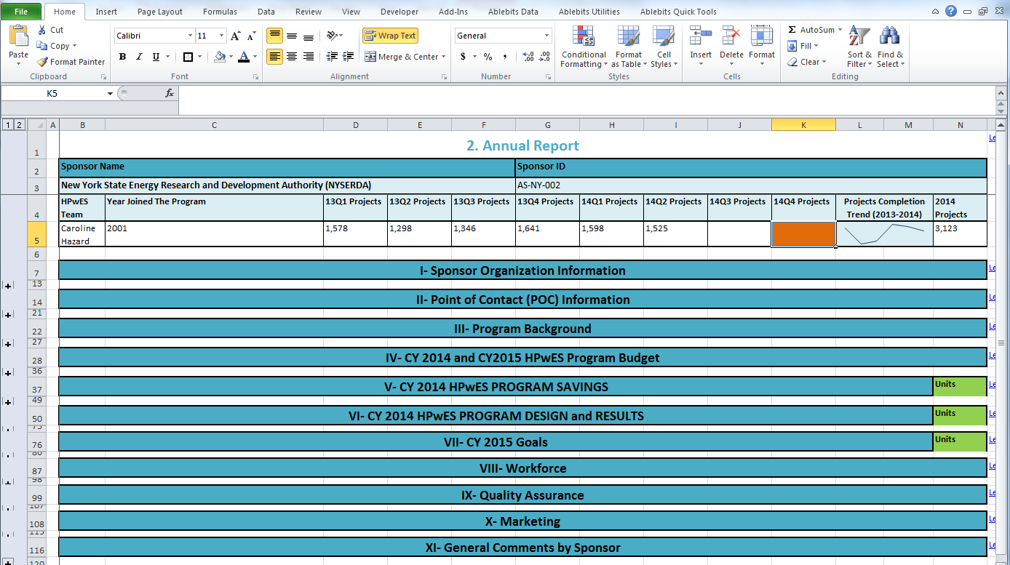

V- Supporting Definitions
Average Invoice Cost | The average total cost for a completed HPwES project including homeowner contribution, incentives, and other rebates. Average invoice cost is calculated by dividing the total completed project invoice costs by the number of HPwES projects completed.
Calibrate Predicted Energy Savings | In this context, we want to know if your predicted energy savings are adjusted, calibrated, or "trued up" compared to actual historical energy consumption data for any or all of your projects. This procedure could be as formal as using BPI-2400 protocols to adjust the whole building energy model on a per project basis, or as simple as asking the homeowner what they pay for heating annually and double-checking that the predicted energy savings seem realistic. This is our first attempt at understanding how the market addresses this issue, so providing an explanation of your process in the comments field would be helpful, but is not required.
Certificates | Documents the improvements, as well as the organizations and companies involved in the home performance project offered by the HPwES Sponsor. Certificates can offer the homeowner proof that energy improvements have been made to their home – which may contribute to improving the house’s future re-sale value.
Cooperative Advertising | A form of cost sharing where the total cost of advertising is shared by more than one party who may benefit from the advertising. HPwES cooperative advertising costs are typically shared between the Sponsor and the Participating Contractor. Cost sharing may extend to design fees, collateral production, and traditional media placements as well as more non-traditional initiatives such as participation in trade shows, lawn signs, or other tactics.
Deemed Savings Calculation | An agreed-to (stipulated) engineering algorithm(s) used to calculate the energy and/or demand savings associated with an installed energy efficiency measure. These calculations are developed from common practice that is widely considered acceptable for the subject measure and its specific application. It may include stipulated assumptions for one or more parameters in the algorithm, but typically it requires users to input data associated with the actual installed measure into the algorithm(s). (Source: SEE Action Energy Impact Evaluation Guide).
Deemed Savings Value | An estimate of energy or demand savings for a single unit of an installed energy efficiency measure that (1) has been developed from data sources and analytical methods that are widely considered acceptable for the measure and purpose, and (2) is applicable to the situation being evaluated. Individual parameters or calculation methods can also be deemed; also called stipulated savings value. (Source: SEE Action Energy Impact Evaluation Guide).
Demand | The time rate of energy flow. It is the requirement for energy consumption of energy source(s) by an energy using system at a given instant or averaged over any designated interval of time. Demand usually refers to the amount of electric energy used by a customer or piece of equipment at a specific time, expressed in kilowatts (kW equals kWh/h) but can also refer to natural gas use at a point in time, usually as Btu/hr, kBtu/hr, therms/day, or cubic feet per day (ccf/day). (Source:SEE Action Energy Impact Evaluation Guide).
Direct install | Improvement measures installed under an energy efficiency program design strategy involving the direct installation of measures in customer premises by a contractor sponsored by the program at no cost to the customer. Such programs generally involve one-for-one replacement of existing equipment with more efficient equipment. Note: when direct install measures are limited to improvements that do not alter any of the home's major systems (e.g. light bulbs, aerators, showerheads, power strips, etc.) HPwES considers these installations to be part of the home performance assessment. Measures that alter a major system of the home (e.g. air sealing, duct sealing) and are free of charge to the customer are also considered "direct install" but should be counted as completed projects.
DOE's Weatherization Assistance Program | In general, households with income at or below 200% of the poverty level are eligible to participate in the Weatherization Assistance Program. If your state uses a different threshold metric for WAP eligibility, please note that in the comments field.
Geographical area served by your program | Refers to the state, county, city, town, or zip code that your program services. If your program services the majority of a county, town, or zip code please identify it.
Gross site energy savings | An estimate of the total change in energy consumption, consumed at the site (e.g. the home), that is attributed to program-related actions taken by participants in an efficiency program, regardless of why they participated. This is the physical change in energy use from the customer’s perspective after taking into account factors not caused by the efficiency actions (e.g. changes in weather or building occupancy). Gross site energy savings calculations do not account for market effects impacting consumer decisions such as free ridership or spillover. If needed, please see fuel conversion formulas at the end of this tab.
Home Performance Assessment (HPA) | The set of inspections, diagnostics, data collection, analyses, and reporting, needed to initiate a HPwES project with a customer; it results in an HPA summary report including a proposed improvement package.
Income-qualified | Eligibility criteria established for program participation or certain incentives that are based on the homeowner's or the household's income. Income-qualified program offers typically target lower or moderate income homes by offering additional outreach, services, or incentives.
HPwES Project | Encompasses the complete work cycle in which HPwES services are provided to a customer for a specific household. A completed HPwES project includes an HPA, installation of improvement measures, and a final test-out.
Independent third-party QA program | Reflects organizations offering specialized services providing QA at the contractor level. Examples include BPI’s GoldStar program and RESNET's EnergySmart Contractor QA program.
Interactivity | The influence of one technology’s application on the energy required for another application. An example is the reduced heat from internal gains in a home as a result of replacing incandescent lights with CFLs, and the resulting need to increase space heating from another source, often oil- or gas-fired.
Project Calculator or Worksheet | Sponsors and/or programs sometimes design a custom calculator to generate predicted energy savings for installed measures and projects. Select this choice only if your calculator uses field data for inputs (rather than baseline assumptions) and indicate if your calculator accounts for interactivity of measures. If your calculator does not use field data to determine baseline performance, then select “Deemed Measure Savings” with or without interactivity as appropriate.
QA contractor hired by the program | The Sponsor contracts quality assurance services directly with a vendor who has no other vested interest in the program.
Quality Management System (QMS) | A process-based approach to fulfill the requirements for quality with emphasis on continual improvement and zero-defect production. Refer to the HPwES Sponsor Guide and Reference Manual v1.5 Section 6 and Appendix F for additional information.
The Program is evaluated by a third-party independent evaluator | Third-party program evaluations may be required for regulatory compliance or voluntarily included in the program’s design as a means of demonstrating some level of external oversight. Third-party evaluators may be under contract to the Sponsor or independently contracted through an oversight body like a public utility commission.
Whole Building Energy Modeling | The process of calculating a building’s energy loads and predicting energy consumption for that building based on known data such as the physical characteristics of the building and operating conditions. This process is usually completed using computer software but may also be calculated using manual algorithms. Modeling includes whole building simulations as well as less complex measure-specific calculations.
VI- For More Information
In case you missed the Annual Report webinar that took place on Dec the 11th of 2014, you could watch the recording by following this link . Please direct any questions or feedback to your HPwES Account Manager.
VII- Fuel Unit Conversion
Questions 7 and 27 in the "Annual Report" tab request estimated energy savings for 2014 and goals for 2015 in MMBtu. If needed, users could use the fuel conversion formulas to the right to convert the most common fuel types to MMBtu. By providing the fuel amount in the appropriate cell in column I, the appropriate MMBtu value will be shown in column M. Users will need to copy the values and right click on paste special to paste the values only in the appropriate location in the "Annual Report" tab. |  | From | To
 |  | kWh | MMBtu | 0.00
 |  | Therms | MMBtu | 0.00
 |  | Gallons (Oil) | MMBtu | 0.00
 |  | Propane | MMBtu | 0.00

